Sheet1
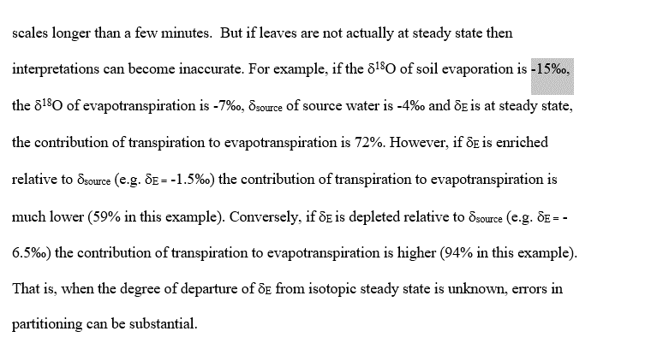

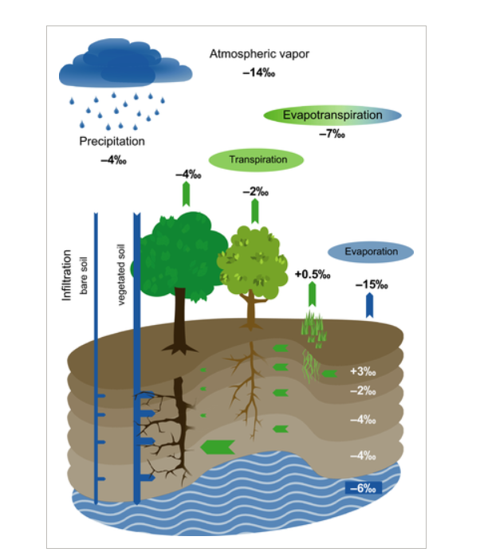
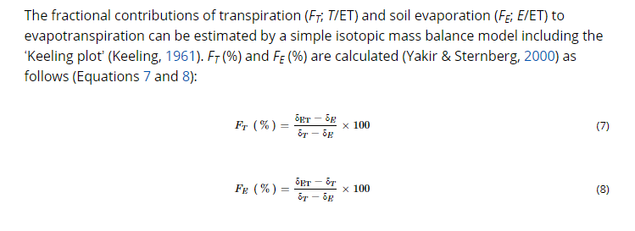

d et | -7 | normal | 0.68259385666
d t | -2
d soil | -15
soure | -3.28 | ve 1.5 | 0.73529411765
 | -4.12

0.84 | average diff |  | 0.052700260992
 |  |  | 5.2700260992

WTC chamber example

